Sheet1
DATE | DETAILS | STATUS
2020-06-10 | We are getting an error when trying to submit a PCR. I fear that it is something that has happened when I added the Events (because Friday a PCR was added with no trouble – I added Events yesterday & now we cannot submit PCRs). I have attached a screenshot of the error.
 | Can you please help?

2020-06-10 | I have installed P3Lite that comes from paradigm into system.
 | I do not seem to get error when I add a new records, please try it yourself to see if it will work until we fix P3web.

2020-06-11 | I have a possible fix I will update it tonight and you can give it a try in the morning.

2020-06-12 | I put in what we thought would fix issue last night and tested but it caused a login issue.
 | We are still working on it.

2020-06-15 | In P3 (web) when trying to open IATF16949 Tazewell/Quality-TZ/Level 4 Forms/Receiving Inspection Checksheets
 | We are getting the following:

2020-06-16 | Randy added the full address yesterday for Tazewell. I sent some test Action Items to Kim. She was able to view one of the Action Items, but not all.
 | Also, she still cannot see the Receiving Inspection Checksheets in the Quality-TZ folder.

2020-06-17 | 1. Tazewell unable to view Receiving Inspection Checksheets (I know you are already working on this one)
 | 2. Tazewell (not sure about Midway) not able to view documents in Action Items (I know you are already working on this one)
 | 3. NEW Issue: Sending emails to users for opened Action Items. (I went into users, then into properties & set it to email a summary of opened action items. It saved my option – but the emails are not being sent. So, far I have not received one).

 | I will check on server to see if Email is scheduled to send AI to users.
 | Now it only does this once a day normally in the morning.
 | If you have no open Action Items in P3 it will not send you an email.

 | As for your other question we may have to talk on the phone to find and answer.
 | Issue is that if you assign step to user then you are giving them the right to finish the step.

2020-06-18 | Good Morning Chad,

 | I just found out that Midway is also not able to view documents (in P3 Web). Below is the error they are getting.
 | Not sure if this is across the board, however, I have had 2 users report this error to me this morning.

 | Do we need to set up a meeting & try to work through some of these issues? What are your thoughts?


2020-06-18 | Hello Kristy,

 | I will take a look to see if there is anything I can do but we may have to wait till Chris our webpage programmer gets back from vacation on Monday.

2020-06-23 | Good Morning. I wanted to check in to see if you all have made any progress on our P3 issues?
 | •Midway & Tazewell are still unable to view documents some documents
 | •We are still not receiving emails for open Action Items.

 | I am currently looking at server for the emails summary notification.
 | Chris will be looking at webpage tomorrow to resolve web issues.

 | Please have users try again it should be all resolved.

2020-06-24 | had / Randy – what about the situation with TZ members not being logged-in automatically? Can we resolve that? I have confirmed that TZ members did not have to log-in to P2 (automatic), and we need to P3 to be the same in that regard.

2020-06-24 | It seems that the Action Item alerts are working well.
 | As far as Midway is concerned, we are able to view documents.

 | However, P3 webpage users are not able to submit Process Change Request nor Document Change Request. The “Add New” button is missing from both.
 | Also, on the P3 webpage, you cannot create a draft for a document. That option is missing also.

2020-06-24 | Kim Maggard in Tazewell just emailed & she is still unable to view the documents in the IATF1649 – Tazewell/Quality – TZ/(Level 4) Forms/Receiving Inspection Checsheets.

 | I can have meeting with you to look at anything that is not working correct for you.
 | But I would need to work with someone at other sites to see if I can determine why they are having issues.

 | I think for them the different domains might be causing there problems.

2020-06-24 | I will be working on webpage with Chris after lunch today.
 | Tomorrow and Friday I will be off so if we could have meeting on Monday to go over all issues that are happening that would be best for me.
2020-06-29 | I have made some changes and updates to webpage please give it a try and see if it is working better.
 | I think Auto login should work now for TDOMAIN, BDOMAIN and ZDOMAIN.

2020-06-30 | MEETING FROM 10:00-11:00

2020-07-01 | Good morning Chad,
 | In our meeting yesterday you had stated that the issue with viewing the receiving inspection documents (IATF16949-Tazewell/Quality/Level 4/Rec.Inspec.cksts) should be resolved by end of day yesterday. I still cannot access. What is the new target date for correction?

2020-07-02 | The issue with this folder (IATF16949-Tazewell/Quality/Level 4/Rec.Inspec.cksts) has been resolved and should now be working for everyone.
 | Originally I thought I knew what problem was so expected to find it quickly but that turned out not to be the case.
 | So I had to inspect 1800 records in that folder which includes obsoletes to find the one document causing error.
 | ​Yesterday I was still looking through data and it was a Canadian holiday as well.

 | I have talking to Chris about other issues and he was able to preproduce the same issues so he is working on webpage update.
 | 3 issues:
 | 1. cannot add a new record in generator
 | 2. restricted users cannot add data to records unless they are set as responsible.
 | 3. Document module all users cannot change status of a document.

 | I should know an ETA on these issues from Chris tomorrow.

 | Last I made changes using style designer which did not upload correctly so I am working on that issue.

 | If I missed anything please let me know.

2020-07-02 | Sorry, but we have more problems.
 | Melissa just discovered that when we now look at the Receiving Inspection folder (IATF16949-Tazewell/Quality/Level 4/Rec.Inspec.cksts) we are getting an error message. Below is a screenshot:

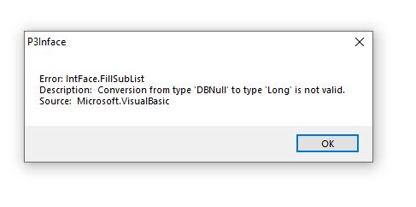

 | It was working last night and this morning so it has to be caused by something new that has been done.
 | Can you tell me who has been working in that folder and what they were doing? Also were they using the webpage to do the tasks or the client install on desktop.
 | This would make it much faster for me to narrow down where the error is being generated from.

 | I am on the server right now and I do not get any errors on the folder that I fixed last night.
 | I also do not see any folder called Rec.Inspec.cksts as you indicated is it a document that is giving this error?

2020-07-02 | Rec.Inspec.cksts is the wording I used from your previous email.
 | The folder (IATF1649 – Tazewell/Quality-TZ/(Level 4) Forms/Receiving Inspection Checksheets) is the one that was giving us all the error when we tried to view the Receiving Inspection documents on the webpage. As of this morning this issue was fixed & even now is still fixed.
 | However, when Melissa or myself try to view this same folder in the our Client version, we now are getting the error. We have not done anything in the folder as we can’t due to the error.

2020-07-06 | Good Afternoon Chad,

 | Just wanted to check in & see if you had a status update on our P3 issues?

2020-07-06 | Hello Kristy,

 | Chris is currently working on those issues for webpage he thinks he will have it resolved by end of this week.

2020-07-08 | Hello Kristy,

 | I just received a new build of webpage from Chris that I will put up on server.
 | I will let you know when it is installed and you can try those issue and let me know if they are resolved.

2020-07-09 | I have installed new version.
 | Generator seems to be working now you can go ahead and test it.
 | Docs module seems to still not be able to change status we are working on that

2020-07-09 | Melissa’s account has been disabled. I cannot fix it. She is getting the error seen below…..

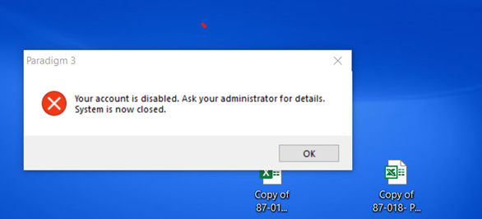

 | What type of User is she?
 | Hello Kristy,
 | Good news. Chad knows exactly what to do as he did it last night and just forgot to undo it. He will have it fixed in about 5 minutes

2020-07-09 | Hello Chad,

 | Yes! We have our button back to add PCRs!! Thank you.
 | The PCR isn’t showing the warning about finishing the step yet (but you may still be working on that).
 | I just wanted to let you know

2020-07-09 | Hello Chad,

 | So, I just got a call from Tazewell. They are trying to submit a Process Change Request in the Generator. The “Add New” button is there, so she clicked it, filled out the name for the PCR & clicked “OK”, and the PCR just closed on her. It did add it to the “Item List”, however, it would not let her do anything to it other than type in the details.
 | We trialed this earlier here in Midway & it seem to work correctly.
 | We clicked “Add New”, filled out the name, clicked “OK” & the PCR opened for us to fill out.

 | Could you see if those users with the problem have pop-up blocker turn on in the browser they are using to access webpage?

2020-07-13 | Hello Kristy,

 | Still working on P3web being able to see Status button.
 | It works fine even using your database on our system but on server it just does not appear.
 | Something is blocking it but we do not know what yet.

2020-07-13 | I know they are still doing some updates / corrections to P3 but I noticed something that I wanted to bring to your attention. When I was adding a PCR this morning, there is a section at the bottom that askes what the document title is and the document number (if effected by submitted change). These are grayed out and we cannot input the document info in that Melissa will need. On mine I added that info to the details section so it will be available to her. Please disregard if you have already been made aware of this.
 | Thanks,

 | I will take a look while I am on server looking at Style changes we were working on

2020-07-20 | Good morning All,
 | I am following up on the open issues we still have with P3. We had a meeting on June 30th to discuss all remaining items but I’ve not seen any target dates assigned. Example issue: we still cannot check out documents in order to make changes. Where are we with this item? Do we have any progress on the below issue found on 7/13?
 | Your feedback is greatly appreciated!

 | We are currently still working on these issues.
 | I have a new build with some changes as of this morning.
 | I will be updating webpage today after lunch to see if it helps with some of the issue.

2020-07-21 | . Please have user test original issue in this ticket.
 | "When I was adding a PCR this morning, there is a section at the bottom that askes what the document title is and the document number (if effected by submitted change). These are grayed out and we cannot input the document info in that Melissa will need."
 | ​
 | 2. Second issue Approve/Disapprove you did not answer question I had.
 | "Are these action items produced from those drop down boxes that you setup or are you talking about action items that the is sent to user that they are responsible for a step? "
 | I think this issue may be a setup of event issue if it is from the drop down boxes.
 | ​
 | 3. Edit and change status issue.
 | New build seems to have give admins ability to do these tasks. Still working on why Restrict with rights cannot.

 | 4. Error when updating Style for PCR to add message and digital sign off is resolved and has been added to records.

2020-07-23 | Hello Chad,

 | So, I created a Test PCR to check for the edit button. I an action item to a Midway user as well as a Tazewell user.
 | The Midway user was able to Approve the PCR. The Tazewell user was not able. She is still not seeing an “Edit” button.

 | Also, Tazewell is still not able to submit PCRs completely filled out. They are able to start a PCR but they are not able to input information in all areas needed.
 | Midway does not seem to be experiencing this issue.

2020-07-27 | Good Afternoon Chad,

 | We were wondering if there are any new updates concerning the status button on the P3 Webpage?

 | Also, concerning the PCR issue (in TZ) where they can not input all information because vital parts are remaining grayed out – Melissa tried submitting a PCR logged in as one restricted user & everything worked fine. However, on the same computer, but logged in as a different restricted user, she was unable to complete the PCR.
 | I checked the user’s properties (it is April Mullins) and she has all the rights of all the other restricted users.
 | (I think this is really weird, lol.)

 | Checked out security settings, Permissions and roles and compared between users. Differences in Memberships but all had common all users Membership. Looked at editors role which had no members so trying to see if adding to editors helps. After taling with Both Kristy and Melissa and the other issues they have been having with documents and such and the cases Chad is working on with them I am wondering if this also is related.

2020-07-31 | At this point I think it best if we wait until Chad gets back and I will discuss the situation with him. My main wonder is if this issue is somehow related to the other issues you are having that Chad is already working on. I am sorry that the idea of adding her to the editor role did not work. Have a great weekend and I will be in touch as soon as I have spoken with Chad.
2020-07-31 | Good Morning. April Mullins did try to submit a PCR (in the Improvement Generator Module) after listing her as an editor, however, the outcome was the same as before. She was unable to fill the PCR out, vital areas of the form remained grayed out.
 | Thank you for your help. Hopefully, all issues are connected and will be resolved soon.

2020-07-28 | Not sure when this went down or got this error, but this is what I am getting when trying to get on directly from the server using the web version. It almost looks like it is pointing to the “lite” version still? Just a guess.

 | Kristy might be able to give more info?
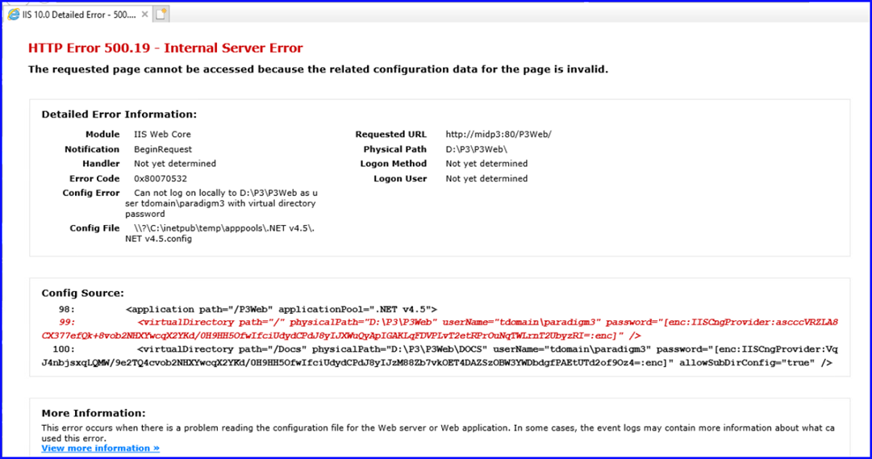

2020-07-31 | I know you guys are working on all of our issues. However, a new one seems to have been added to our list this morning.
 | Attached is the error message that is being shown.
 | Melissa & I can view this Current document (AV9.01.116) with no issues.
 | When Robert tried to view from the webpage, he received the attached error.
 | When I tried to view from the webpage I, too, received the same error message. I also tried other documents & found that not all are giving this error, however, AV9.01.115, AV9.01.116, AV9.01.117 & AV9.01.118) all current documents, are giving this error.

 | 1. Status button still missing from webpage
 | 2. Some Restricted users not able to submit PCRs
 | 3. Error appearing when trying to view certain documents on webpage

 | You should check the publisher on the server and make sure it isn't locked or the document publish isn't failing for some reason.

2020-07-31 | Apologies. I found Chad's connection info and took a look for you. The publisher was locked on an Excel file with a pop-up message since July 29 @ 8:30 AM. I cleared the message and ran another publish. It looks like it is cleared up now. Please confirm.

 | I am DCS in our Tazewell Office, and I have tried that document using Roberts computer and it still is giving same error.

2020-08-07 | Old Excel documents are causing the publisher to get locked up see message below.
 | These messages have to be cleared manually on server.
 | Only way for this to stop happening is to update Excel docs to new microsoft format and we do have a tool that helps with this process.

 | Last issue is being caused by old Excel documents causing publisher to be stuck with this message

 | Also I cleared all docs in Publisher so everyone should be able to see docs through SHow Me button.

2020-08-07 | Chad

 | Good morning. I would like to schedule a meeting for next Monday (8/10) at 4pm. Can you confirm if your team would be available at that time? We would like to have anyone involved with resolving the below items available for this meeting. We really need to fully launch P3 at our facilities ASAP, but there are issues that are preventing that from happening. I want to push for quick resolution on all of these issues. I also want to discuss the responsibility of file conversions of the older documents. My understanding was that Interax would be taking care of any file conversions needed to carry over to the new system.

 | 1. No status button in P3 Webpage
 | 2. Not all restricted users are able to submit PCRs
 | 3. Some restricted users are unable to view documents that are under review (using the show me button through there Action Item)
 | 4. Cannot check out documents in order to make changes / updates.

2020-08-11 | Ok I have installed new version and I seem to have been able to get Docs module working.
 | I can now see status and check-out button if there is a draft.

 | Still finding some issues with Generator restricted users still seems to not be able to edit.

 | Hello Chad,

 | I had a chance to have a restricted user to look at the new version.
 | The Status button was still not there (so, we are still not capable of creating drafts & checking out).
 | Just wanted to give you an update from our side.

 | Hello Kristy,

 | Strange as my account is using restricted license and I was able to see and use those buttons.
 | Does the button appear for you when using webpage?
 | Was user part of midway or a different domain?
 | Can we have a gotomeeting with user so I can take look into why it does not work for them when it works for me.

 | I was sure I had it resolved last night.

 | I have good news (finally).
 | We do have a status button in Midway!
 | I don’t know if Melissa has been able to check for Tazewell yet but Midway does.
 | My apologies for my earlier email. I had to find someone who could check for me (the person I picked was not even a restricted user).

2020-08-13 | Hello Kristy,

 | I just installed a new version of webpage and I think we have everything corrected.
 | ​As a restricted user I can see and use status and check-out.
 | As a restricted user in Generator I can create PCRs and Edit existing PCRs.

 | Please have everyone test it and let me know if all is resolved.

2020-08-14 | Hello Chad,

 | Thank you for the update. I will let you know if we run into any issues. It may be a few days before I can get a lot of feed back. Melissa is working away from her desk 8 hrs / day now & I am working away from my desk 4 hrs / day now. So, we are not getting to spend a lot of time on our Document Control job (especially Melissa).

 | I do have one concern I would like to run by you.
 | I typed up some steps on how to Search for a Document in Paradigm and Check it out.
 | In the client version I was able to save the location of where my checked out documents go (they now go there everytime).
 | However, using the web version, when checking the document out, I never found it anywhere.
 | If I double clicked the document, a gray screen opens up and in the bottom left hand corner I can click on the document number & it will download the document. I can then find it in my downloads.
 | But, if I check it out it seems to go nowhere. It says document has been checked out and downloaded but down in the corner it says “Failed – no file is found”

 | Ok everything should be working now.
 | Please have everyone test and let me know.

2020-08-14 | Hello Chad,

 | I was able to use the webpage to create a draft & check out a document. The document went to Downloads. So, I was able to find it. Thank you very much.
 | We will start spreading the word & try to get people using P3 now. So, hopefully if we experience anymore bugs we will know within the next couple of weeks.
 | As of right now, it looks like you guys have cleared all issues that we have been having.
 | Again, Melissa & I both are being redirected to other jobs. I don’t know how long that will last. So, we are not getting to spend a big amount of time working with P3. But if we have any trouble, I will let you know.
 | Thank you very much. Have a great weekend☺

2020-08-21 | Good afternoon. Per attached, Chad at Interax is working on the necessary scripts to perform the Excel file conversions to “xlsx”. We hope to get the file conversions complete next week to eliminate the errors when trying to open documents. Hopefully, this is the last major hurdle.

2020-09-23 | Kristy

 | You said that first two docs works properly but you did not say if the second two documents are working properly

 | That is if you can test second two docs.

 | Chad,

 | I am able to test them & they do work. However, the Manufacturing Standards are still in the .xls format.
 | I think that after they are converted to .xlsm I will need to retest them.

2020-09-30 | Good Morning Chad,

 | Hope you are doing well.
 | I was just curious if you have an update on the conversions?

 | I am not done that yet I thought that my conversion was braking the update button.
 | But when I went in P3 and tested current manufacturing docs - / ID4347) and / ID16437
 | I found that they do not work for me right now it says it cannot find the document.

 | As you can see in screenshot update button is trying to access a doc outside of paradigm which P3 has no control of and it is also XLS extension.
 | I am not sure what to do with this as it is outside of paradigm.
 | Which also brought up a question for me – if these excels are required to be controlled docs then Paradigm cannot do its job with a macro in excel. When a doc in Paradigm is made current it is supposed to be locked and unchangeable. But when I open the current doc and click update it fails and info becomes blank even if it did work information in document would change but that is not supposed to be allowed for current docs.

 | Unless these docs are not part of an audit and so do not require information in current status to be locked?

 | Maybe we should have a meeting and discuss this as I cannot write any program that will change a macro inside a document to correct or change path in anyway.

2020-10-01 | Chad,

 | Good Morning. This is an old style SOP that we are dealing with, fortunately, we don’t have a ton of them. But we do still have them.
 | The way they work….we have to check out both the SOP & the Manufacturing Standard. Once we have made out changes to the document(s), we have to copy the location of the SOP (for example: T:\!Kristy (Dyer) Ridley\Paradigm Items Checked Out\AV9.029.06 - 21-431 Injection Shutdown SOP.xls) and paste it at the bottom of the checksheet (which is on tab 2 of the Manufacturing Standard), we can then update the documents.

 | With the error that you are receiving, I am thinking that the last time that document was updated must have been before Paradigm was in place. They stored the documents in a QA9000 folder. So, this document isn’t still in there, but the last time it was updated it was….so the location is still reflecting that QS9000 folder because it has not needed to be updated since.

 | I have no idea how many of these may exist. I would pretty much have to go through & open each individual (old style) Mfg. Std. & update the location on the checksheet. What are your thoughts?

 | If you would like to do a meeting, just let Melissa & myself know. Thanks Chad.

2020-10-07 | Good morning Chad,
 | We are still having issues with some new documents opening. I have action items to confirm new documents for approval but I am getting the same error message as before (see attached).
 | These are Tazewell Receiving Inspection Checksheets, document numbers are:
 | QA10.01.01.761
 | QA10.01.01.762
 | QA10.01.01.763
 | QA10.01.01.764
 | QA10.01.01.765
 | Please advise as soon as possible

 | I will go and clear the publisher right away for you so they publish to webpage.

2020-10-19 | Hello Chad,

 | Could you please provide us with an update on the extension conversion?
 | Is it almost complete?

2020-10-20 | Good Morning Chad,

 | I have several users this morning that are unable to open any documents from their Action Items. Below is a screen shot on the error message they are receiving, and I have also listed some other documents we are having issues with. I am able to open the documents in the same action items, but other restricted users are not. Do we have any updates as far as the conversion on the documents? Any help in getting this resolved would be greatly appreciated.

 | AV9.025.83
 | AV9.012.99
 | AV9.012.74
 | AV9.012.73
 | AV9.012.103

 | I checked yesterday and all docs were published must be docs from this morning and I have not check server yet this morning.
 | I will do that right away.

 | I am testing script for the conversion but have been backed up with other issue lately.
 | I have all ID’s for test document now and have to make a copy of each to test folder then replace live docs to new converted docs.
 | I am hoping to hoping to have this done today for you to take a look at am make sure everything is still working inside the documents.

 | I have published all documents they should be working fine for users now.

2020-10-26 | Chad,
 | I am again having issues with not being able to open documents to review before approval. I have attached a screen shot of the ones that will not open (minus the highlighted one). I have also attached the error message like we have gotten on all the others. Please advise as soon as corrected so I can review.
 | Thank you,

 | I am checking server now as I had a meeting first thing this morning so could not log into server.

 | Here is the list of documents just published.
 | Turns out server had a Unknown reboot on Friday afternoon so my account was not logged in to do the publishing task.
 | Everything is as it should be now.

2020-10-27 | Kristy

 | I have converted the documents below and updated database to view them.
 | Please take a look and let me know if they look ok and if macros are working?

 | I am happy to report that it looks like these document are working fine. The macros seem to be working great! It looks like it is all good.

 | Good morning. With this test completed successfully, what is target date to have conversions complete? Thanks,

 | I was thinking that I would complete all excel docs over the week-end when no user were on.
 | That is unless you would like me to get it done earlier.

2020-11-02 | I started the conversion on Excels this week-end and I am still waiting for it to finish.
 | Microsoft keeps having messages pop-up so it is taking much longer than expected.

 | At this point this morning Excels in P3 client are NOT available as I am still converting them.
 | But webpage documents are all available to be viewed ONLY.
 | No changes can be made to excels while I am processing them to new format.

 | Sorry this is taking longer than expected, I will let you know as soon as all Excels are comverted.

 | I have been working on it all day and it is still converting documents.
 | Hope it goes a little faster but I will let you know if it gets done tonight.

2020-11-03 | Everyone

 | I am still working on this conversion taking forever.
 | Currently PowerShell has completed 15,000 documents I have 52,000 more to go.

 | Microsoft keeps giving me these 2 messages below which is what is making this take longer.
 | Sorry for the delay.

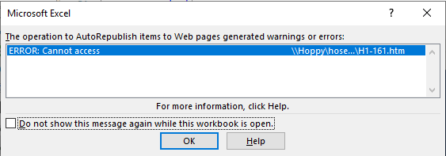

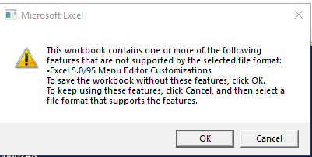

2020-11-04 | Completed another 20,000 document yesterday into the night.
 | Still running the conversion this morning.

2020-11-05 | 19,000 more documents completed yesterday hoping to be completed by tomorrow

2020-11-06
 | Conversion process has been completed all xls docs have been converted to xlsm docs and are now available in the P3 client.

 | These docs below said in conversion that they were protected with password but I checked them and conversion seems to have worked fine.

2020-11-09 | Hello Chad,

 | In Midway, we are receiving an error message (see in email below) when we try to view a document on the Webpage.
 | After hearing that several users were experiencing this, I tried to view a document on the Webpage & I received the same message.
 | I am not sure it Tazewell is experiencing any of this, but we are in Midway.

 | Does it give you the same error if you try to open a Word document or is it just excels?

 | It does appear to only be the Excels. I tried & I also had another user try & the Word docs opened normal.

2020-11-10 | I am currently republishing all docs to Webpage they should start working slowly One folder at a time.

2020-11-11 | All docs have been republished so they should be viewable through webpage now.

2020-11-16 | Hello Chad,

 | Along with the issue I had Friday & Melissa is having some similar problems in Tazewell (see below).
 | So, here is Midway, I have had a couple of users with blank screens when opening a document. After minimizing and then maximizing the document they can then view.
 | As you will see below, Melissa has emailed me with similar issues but they are also receiving error messages.
 | I have attached Melissa’s screen shot of the error they are receiving.
 | Please help.

 | I have a new update for the webpage I will try to update server tonight when everyone is not using it.
 | Then you can try again and let me know if you still have issues.

 | Also make sure that users are NOT using IE browser to access webpage.

2020-11-17 | I did not get to updating the webpage last night as I had to wait for Chris here to send me an update file I was missing.
 | I now have the file this morning so I will update webpage tonight.

2020-11-19 | Webpage has been updated all issues should now be corrected.
 | Please let me know if anything is still not working.

2020-12-03 | Good Morning Chad,

 | So, I have been working people in to using P3. All has been going smoothly until this morning.
 | When restricted user, Mr. Taya, tried to view a certain document through his action item he received the error below.
 | He is using internet explorer & I am trying to get that updated to Chrome or Edge. But, he was able to view & approve many other documents, just not this one.
 | Also, it may be worthy to note, others have viewed & approved this document.

 | •AV9.031.297 – Changeover SOP / ID #80784

2020-12-07 | Hello Chad,

 | Our Restricted users cannot print Process Change Requests (PCRs).
 | I checked in the Power Tools & the box is checked that should give them access to export in the Improvement tab (Generator, as we have named it).
 | This is a necessary step for our restricted users, please help.

2020-12-18 | Good Morning Chad,

 | Still having a couple of issues. Our restricted users still cannot print Process Change Requests (this is a very important tool for them).
 | And then this morning a restricted user was trying to convert a document to draft & received the error below.

 | Please help….

